Burndown README
The goal of the burndown chart is to help the agile team and customer to understand how the developers are doing
to deliver the product. Burndown charts can be done daily, weekly, at the end of a sprint, or at whatever time interval makes sense.
We'll update our burndown chart for the project at the end of each sprint.

At the end of each sprint, you should update the number of remaining stories, the LOC written to implement the user stories
implemented in this sprint, and the minutes needed to write those lines of code.

Velocity of completing user stories (calculated)
How long to implement the user stories in this sprint
Here's a sample burndown chart for a team of three:
= # team members * 4 sprints *
2 stories per sprint
Total
LOC
lines of code per hour is calcuated by Excel

Sprint | Date | Remaining Stories | Story Velocity | LOC | Min | Code Velocity
Start | 2022-06-06 | 24 |  | 0
Sprint 1 | 2022-06-19 | 18 | 6 | 250 | 120 | 125.0
Sprint 2 | 2022-07-03 | 12 | 6 | 480 | 135.0 | 102.2
Sprint 3 | 2022-07-17 | 6 | 6 | 740 | 160.0 | 97.5
Sprint 4 | 2022-07-31 | 0 | 6 | 1100 | 145.0 | 149.0

6/6/2022 | 24
6/19/2022 | 18
7/3/2022 | 12
7/17/2022 | 6
7/31/2022 | 0

When we expect to complete all user stories

Burndown
Date | Remaining Stories | Story Velocity | LOC | Min | Code Velocity
2022-02-23 | 28 |  | 0
2023-03-07 | 17 | 11 | 149 | 120 | 74.5

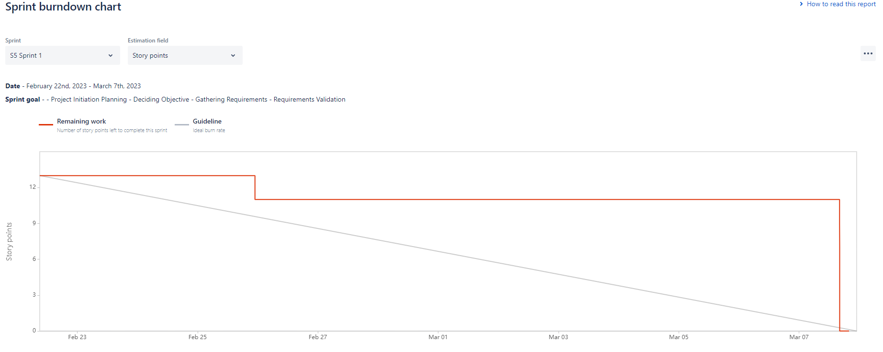

2022-02-23 | 28
2023-03-07 | 17

